Branding
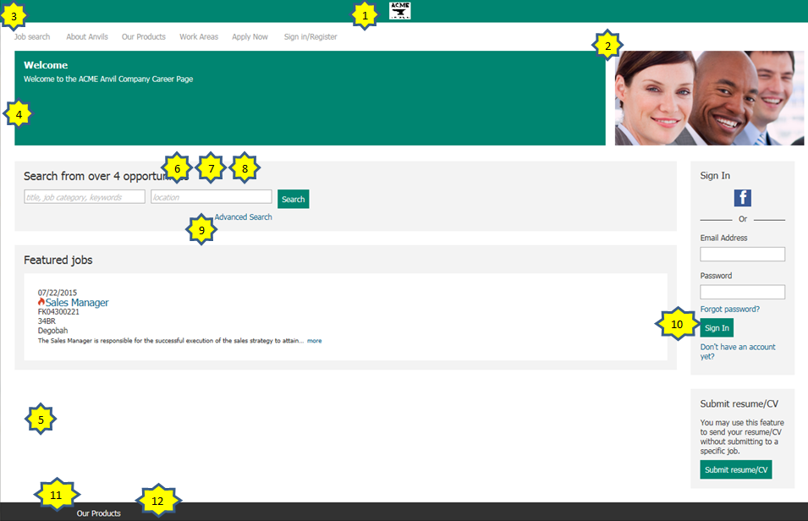
 |  | Update the Green fields for configuration (default values are already listed)
1 | Logo Will appear in the header, so Foreground and Background needs to align with header colors. - Must be URL / HTTPS hosted - Height 50px, Width 130px, Size 50kb
2 | Branded Image - Must be URL / HTTPS hosted - Height 400px, Width 1100px, Size 600kb
3 | Header Link Color - HexDec | #DDDDDD
4 | Foreground Color - HexDec | #0f233b
5 | Background Color - HexDec | #FFFFFF
6 | Base Font Size - 16px is default (14 px is the minimum allowed) | 16px
7 | Base Font Color - Coordinating background color automatic - HexDec | #666666
8 | Base Font Style - Helvetica Neue/Arial - Verdana - Times New Roman - Tahoma | Helvetica Neue/Arial
9 | Page Link Color - HexDec | #0F6EB1
10 | Button Background Color - HexDec | #0f233b
11 | Footer Font Color - HexDec | #111111
12 | Footer Background Color - HexDec | #DDDDDD

Header-Footer
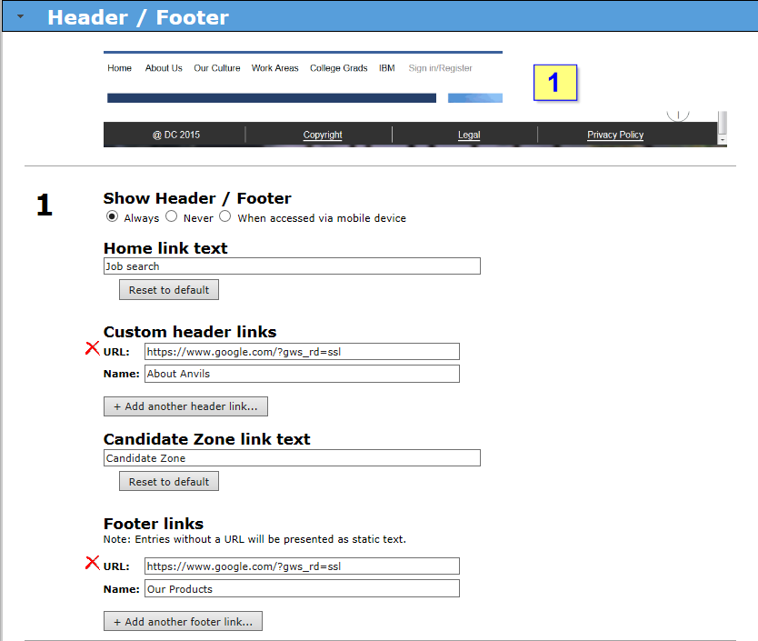
Update the Green fields for configuration
Show Header / Footer Always Never When accessed via mobile device | Always
Home Link text "Job search" is default | Job Search
Custom header links Up to 6 links can be added to the header
URL | Name

Candidate Zone link text "Candidate Zone" is default | Candidate Zone
Footer links No default Note: Entries without a URL will be presented as static text. Up to 4 Footer links can be added
URL | Name

Search page
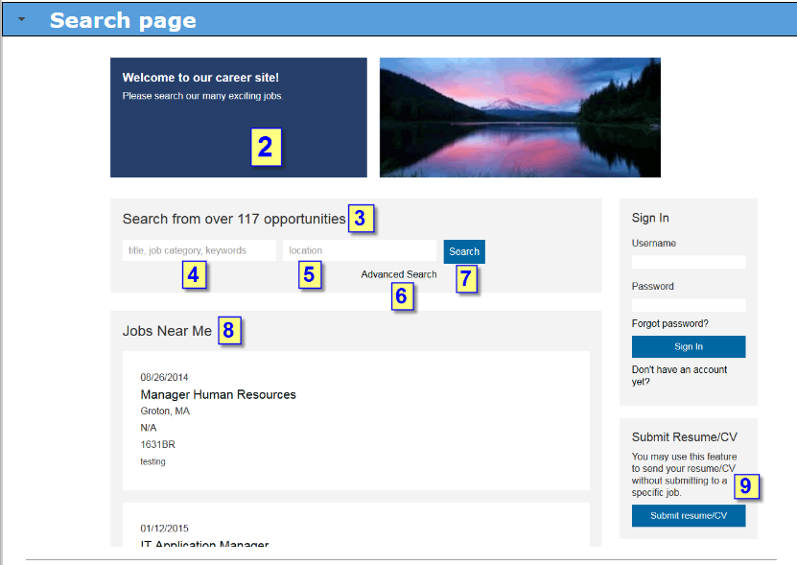
 |  | Update the Green fields for configuration (default values are already listed)
2 | Welcome page title (anonymous) | Welcome
 | Welcome text (anonymous)
 | Welcome page title (logged in) | Welcome, [FIRSTNAME] [LASTNAME]!
 | Welcome text (logged in)

3 | Search title / job counter text Hint: [#jobcount#] token can be used in this customizable text to display the number of jobs currently posted to the Talent Gateway | Search from over [#jobcount#] opportunities

4 | Keyword search box
 | Keyword search box instructional text (text providing instruction) | title, job category, keywords
 | Keyword autocomplete fields As candidates type characters into the Keyword field, values from these fields will be presented as predictive choices to aid in searching. System will search on any value typed in the keyword (not just those values predicted). Any req field designated as searchable and mapped to the search engine will be available for selection.
 | Hide Keyword Search box (Yes/No) - choose one

5 | Location search box
 | Location hierarchy order: a) Proximity search b) Location requisition fields The TG will display the highest selected Location type possible in this hierarchy. If a) or b) isn't selected, the value typed in the Location text field will search against ALL fields displayed in the Job Details.
 | Location search box instructional text (text providing instruction) | location
 | Proximity Search (Yes/No) - choose one **Note: you must have enabled the proximity search feature in order to use this on the talent gateway. If you are not using proximity on the req, select "no."
 | If using proximity, please select distance & measurement
 | Distance
 | Measurement
 | Location requisition fields As candidates type characters into the Location field, values from these fields will be presented as predictive choices to aid in searching. If multiple fields are selected, the values will be concatenated. System will ONLY search within the fields selected.
 | Hide Location search box? (Yes/No) - choose one

6 | Advanced search
 | Advanced search hyperlink text | Advanced Search
 | Advanced Search fields Fields used for advanced job searching by candidates
 | Hide advanced search? (Yes/No) - choose one

7 | Search button text | Search

8 | Highlighted Jobs
 | Highlighted jobs hierarchy order: a) Hide Highlighted jobs b) Jobs near me c) Featured jobs d) Most recent jobs The TG will display the highest selected Highlighted jobs type possible in this hierarchy. If b), c) or d) cannot be displayed (or isn't selected), the Highlighted jobs section will be hidden on the initial search screen.
 | Jobs near me (Yes/No) - Choose One Jobs near me is dependent on 1. Proximity search being enabled for a TG and 2. the candidate permission to know location (via IP or GPS). If Jobs near me is configured for a TG, but the candidate location is not available, then the TG will display the next selected Highlighted Jobs type in the hierarchy.
 | Jobs near me label | Jobs near me
 | Featured jobs (Yes/No) - Choose One
 | Featured jobs label | Featured jobs
 | Most recent jobs (Yes/No) - Choose One
 | Most recent jobs label | Most recent jobs posted
 | Hide highlighted jobs section? (Yes/No) - Choose One Do not list any jobs on the initial search screen If the Hide Highlighted jobs setting is checked, no jobs will be listed on the inital Search screen (regardless of what other 'Highlighted jobs' settings may be checked). This is a GLOBAL level setting and will override all member TG settings in 'Highlighted jobs' section.

9 | Resume / CV General Submission | If not utilizing the General Submission feature, ignore this section
 | General submission heading text | Submit resume/CV
 | General submission intro text | You may use this feature to send your resume/CV without submitting to a specific job.
 | General submission button text | Submit resume/CV

Search results page - Job listi
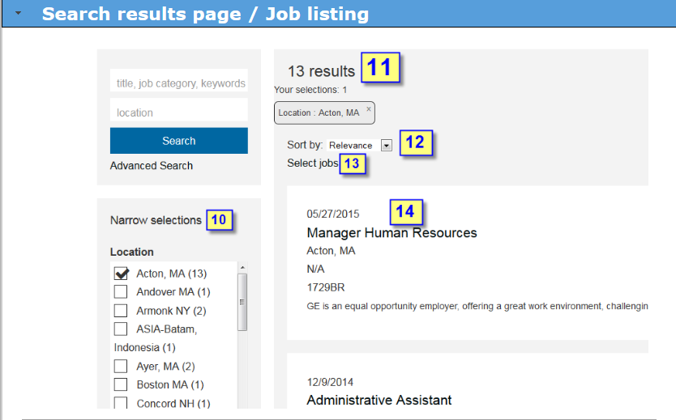
 |  | Update the Green fields for configuration (default values are already listed)
10 | Filter / facet fields
 | Filter results label text | Narrow selections
 | Filter / facet fields (up to 4) BEST DESIGN Hint: choose fields with LESS than 20 options (at the MOST...50 options) Looking through options any more than that to filter down results will be a negative user experience

11 | Search results text | [#searchresults#] [#searchcriteria#] results
 | Filters applied text | Your selections: [#filternumber#]

12 | Search Results Sort text label: | Sort by:

13 | Select Jobs Text When the user clicks/touches this link, selection boxes will appear for each job in the search results. This will allow for actions to be taken for multiple jobs at the same time such as sharing jobs, saving jobs into the cart, applying to multiple jobs, etc. | Select Jobs

14 | Search results / Job listing FIELDS Position 1 OPTIONAL. This field will appear ABOVE the Job title field in the job listing in a smaller, non-bolded font. There will be no label for this field. Recommendations: Date updated OR Division, Job Category, Location. Any req field designated as searchable and mapped to the search engine will be available for selection.
 | JOB TITLE REQUIRED. This will be the prominent field in the job listing. It will appear in a larger, non-bolded font and can be a different color. There will be no label for this field. Best Practice: Field used for Job Title
 | Position 3 OPTIONAL. Fields will be BELOW the Job Title field in the job listing. It will appear in a smaller, non-bolded font. There will be no label(s) for the field(s). Each field will appear on its own line. MAXIMUM of 3 fields. Recommendations (2 fields or less): Location, Division, Department, Job Category. If when the candidate checks their application status in the Candidate Zone & you want them to see the req number, we recommend you add it here.
 | SUMMARY / DESCRIPTION REQUIRED. This is the summary field in the job listing. It will appear in a smaller, non-bolded font. The first XXX characters will be displayed (depending on screen size) followed by a ' [...] '. There will be no label for this field. Best Practice: Text area field from requisition that quickly 'sells' the position and encourages the candidate to go to the Job Details.

15 | Show more… results If there are more than 50 results to be displayed given the search criteria, the system will display this link at the bottom of the search results list. A click of this link will bring forward the next 50 results. | Next >

Job Details
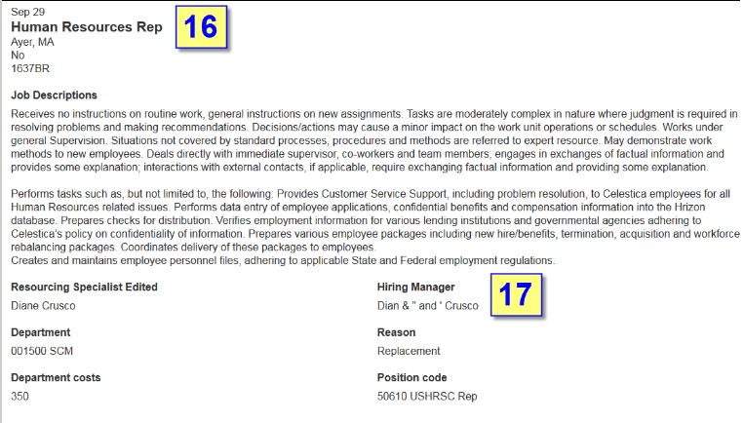
 |  | Update the Green fields for configuration (default values are already listed)
16 | Job Details fields - Section 1 BEST PRACTICES for the BEST DESIGN It is HIGHLY RECOMMENDED that the Position 1, Job Title, Position 3 and Summary / Description fields selected in the Search results / Job listing FIELDS are also selected on the Job Details page. This provides consistency of the candidate experience.
 | Link? (Yes, No) - choose one For your convenience, these setting have been LINKED between the two pages. If you wish to UNLINK them and select different fields for the Job Details page, clear the checkbox below.
If you chose not to link, please complete the fields below
 | Position 1 OPTIONAL. This field will appear ABOVE the Job title field in the job listing in a smaller, non-bolded font. There will be no label for this field. Recommendations: Date updated OR Division, Job Category, Location. Any req field designated as searchable and mapped to the search engine will be available for selection.
 | JOB TITLE REQUIRED. This will be the prominent field in the job listing. It will appear in a larger, non-bolded font and can be a different color. There will be no label for this field. Best Practice: Field used for Job Title
 | Position 3 OPTIONAL. Fields will be BELOW the Job Title field in the job listing. It will appear in a smaller, non-bolded font. There will be no label(s) for the field(s). Each field will appear on its own line. MAXIMUM of 3 fields. Recommendations (2 fields or less): Location, Division, Department, Job Category. If when the candidate checks their application status in the Candidate Zone & you want them to see the req number, we recommend you add it here.
 | SUMMARY / DESCRIPTION REQUIRED. This is the summary field in the job listing. It will appear in a smaller, non-bolded font. The first XXX characters will be displayed (depending on screen size) followed by a ' [...] '. There will be no label for this field. Best Practice: Text area field from requisition that quickly 'sells' the position and encourages the candidate to go to the Job Details.

17 | Job Details fields - Section 2 Display rules: Text area field labels will be displayed as section headers with the values beneath taking the available width of the screen. All other field types will be displayed with labels ABOVE the values in a regular font and values BELOW in a bolder font. They will display in 2 columns in larger screen formats and in 1 column in smaller or potrait screen formats. NOTE: Fields selected in Talent Gateway details have been defaulted, but can be changed. | Complete table below to denote the searchable Req fields for display and the order in which they are to be displayed
Field Type | Field name | Custom field label for TGs

Communications
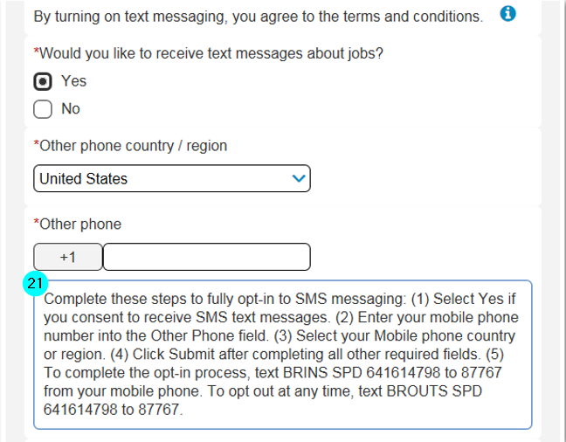
Message Archive
Message Archive allows candidates to review any email communications sent to them out of BrassRing. These include: - Ad hoc email to candidate (both from inside or outside of a req folder) - Email communication templates sent to candidate (from inside or outside of a req folder), both manual and automated (using a RAM trigger). - Letter communication template that is generated for candidate (from inside or outside req folder). - Event template emails to candidate. This is a great way for candidates to reference all emails sent to them throughout the hiring process. It is especially usefull for candidates who don't have email or get locked out of their email account
 |  |  | Update the Green fields for configuration (default values are already listed)
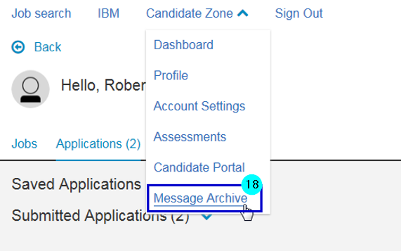
 | 18 | Message archive Options are ON (checked) or OFF (unchecked) IBM Recommends this feature be turned ON
 | 19 | Show message sender Options are ON (checked) or OFF (unchecked)

 |  | SMS Messaging Configuration SMS functionality must be enabled in order to be able to edit the following fields. If you are not using SMS Messaging, you do not need to complete the fields below.
 | 20 | SMS messaging - candidate consent pop-up message Defaul text is available, but can be edited. This field typically contains the legal/disclaimer text that needs to be displayed to the candidates when the information icon is selected in the Text Messaging section of the Account Settings page or while the candidate is applying to a requisition. HTML is not allowed in this field. | By checking this box, you are explicitly consenting to receive text messages about jobs from this company’s Talent Gateway(s).
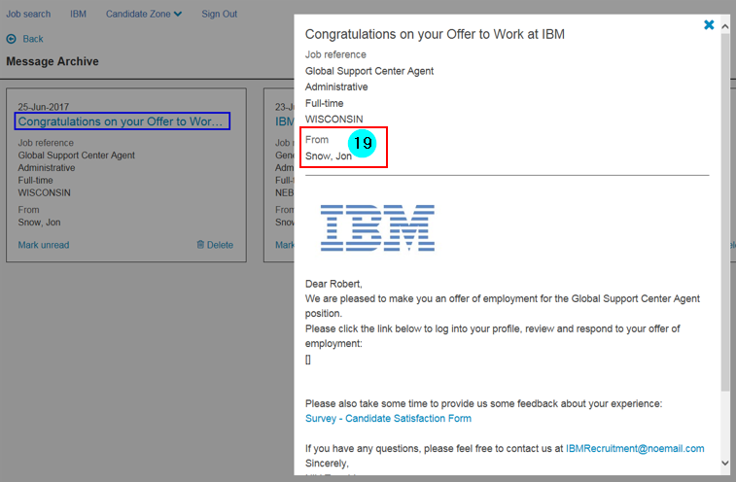 | 21 | Vendor specific setup instructions No default text is available for this field. If nothing is filled out, this field will not show on the TG. Restricted HTML tags can be used as long as the client setting Allow restricted HTML in approved fields is enabled. 4,000 character limit. The [#BRUID#] token is the only token allowed in this text area field, and if used, will display the candidate’s BRUID value to the candidate. Clients should also consider adding their Client ID (unique per client for their BrassRing system) and the Vendor Short Code (provided by the SMS vendor) to this field as the candidate may need all three pieces of information to finish the opt-in process.

Candidate Zone
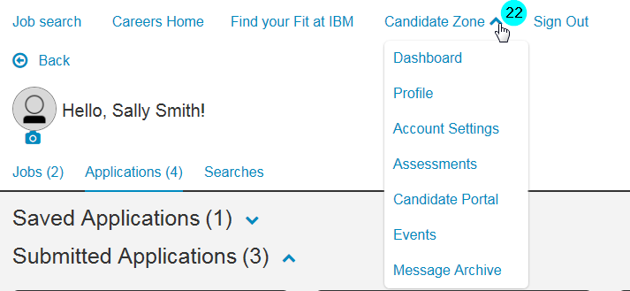
Candidate Zone
All HR Statuses must be mapped to an HR Status Category for the candidate to have access to the job application page. The job application page is where the candidate can view their application, the job description, add files, and view where they currently are in the application process (their HR Status Category). Descriptions can contain HTML to customize the candidate's experience on this gateway. Category Names can be customized and the category default text changed. If changes are desired, please provide them in green fields below. In the last table please map each of your HR statuses to one of the pre-defined categories.
Category Name: |  | Applied | Category Name |  | Hired
 |  | Category Text |  |  | Category Text
English | Applied | We have received your application! Thank you so much for considering us. You should expect to hear from us soon. Check back to this site for application status updates. | English | Hired | Congratulations. Welcome to the team!
Client Requested Changes |  |  | Client Requested Changes

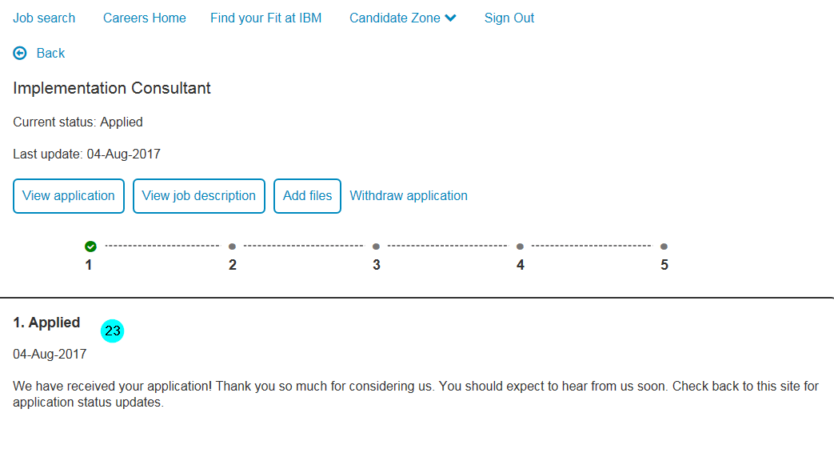
Category Name: |  | Under Review | Category Name: |  | Company Not Interested
 |  | Category Text |  |  | Category Text
English | Under Review | We are currently reviewing your application! | English | Company Not Interested | Thank you for your interest in our company. Unfortunately, we have other candidates that better fit the skills of the position. We appreciate your time and attention to our process and hope you consider other opportunities we have available.
Client Requested Changes |  |  | Client Requested Changes

Category Name |  | Interview | Category Name: |  | Candidate Not Interested
 |  | Category Text |  |  | Category Text
English | Interview | Congratulations on your interview! Check your messages for interview details. | English | Withdrawn | Thank you for considering our company.
Client Requested Changes |  |  | Client Requested Changes

Category Name: |  | Offer
 |  | Category Text
English | Offer | Congratulations! You have received a job offer! You should find details about your offer in your candidate portal and / or messages. Please review your offer and let us know if you have any questions.
Client Requested Changes

HR Status |  | HR Status Category (select one for each status):

